Office Summary
Summary

The GPT office portfolio has exposure to 100% Prime Grade office assets and benefits from a diversified tenant base.

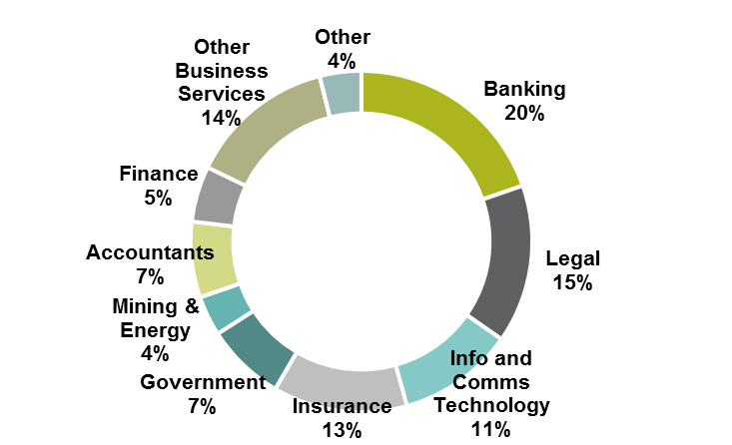
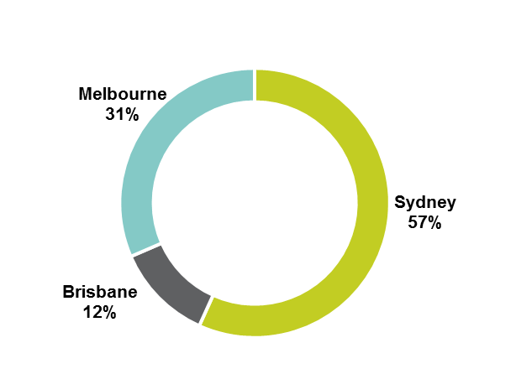
Top Ten Tenants1 |  | Tenant Mix By Industry | Geographic Weighting
As at 30 June 2017 |  | As at 30 June 2017 | As at 30 June 2017

Tenant | % Income
Government - State & Federal | 7.0%
IAG | 3.8%
ANZ Banking Group | 3.6%
Deloitte Services | 3.3%
NBN Co | 3.2%
NAB | 2.8%
Members Equity Bank | 2.7%
Citibank | 2.4%
CBA | 2.1%
Amazon Web Services | 2.1%
1. Based on gross rent. Includes future IAG lease at Darling Park 2.

